Áreas
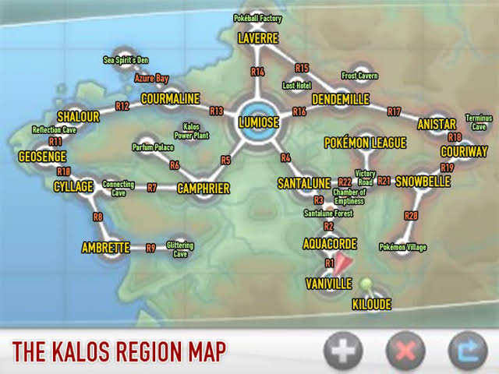
Áreas | Coluna1 | Cód | NvlInf | NvlSup
Ambrette Town | ok | abtt
Anistar City | ok | anic
Aquacorde Town | ok | aqct
Autumnal Avenue | ok | auta
Azure Bay | ok | azrb
Baa de Mer Ranch | ok | bamr
Battle Chateau | ok | btlc
Battle Institute | ok | btli
Battle Maison | ok | btlm
Berry fields (Kalos) | ok | bryf
Camphrier Town | ok | cmpt
Chamber of Emptiness | ok | chat
Connecting Cave | ok | cnnc
Coumarine City | ok | cmrc
Couriway Town | ok | crwt
Cyllage City | ok | cyllc
Dendemille Town | ok | dndt
Estival Avenue | ok | esta
Faraway place | ok | frwp
Friend Safari | ok | fnds
Frost Cavern | ok | froc
Geosenge Town | ok | geot
Glittering Cave | ok | gltc
Hibernal Avenue | ok | hiba
Hometown | ok | homt
Hotel Richissime | ok | hotr
Juice Shoppe | ok | juis
Kalos hotels | ok | klho
Kalos Power Plant | ok | pwrp
Kiloude City | ok | kloc
Laverre City | ok | lvrc
Lost Hotel | ok | lsth
Lumiose City | ok | lumc
Lumiose City restaurants | ok | lumr
Lumiose Museum | ok | lumm
Lysandre Labs | ok | lsdl
North Boulevard | ok | nthb
Parfum Palace | ok | prfp
Player's house | ok | hous
Poké Ball Factory | ok | pkbf
Poké Mart |  | mart
Pokémon Center |  | pc
Pokémon Day Care | Ok | dayc
Pokémon League (Kalos) |  | leag
Pokémon Village | Ok | pkvl
Reflection Cave | Ok | rfcc
Kalos Route 1 | Ok | 001
Kalos Route 2 | Ok | 002 | 2.00 | 3.00
Kalos Route 3 | Ok | 003 | 3.00 | 4.00
Kalos Route 4 | Ok | 004
Kalos Route 5 | Ok | 005 | 8.00 | 10.00
Kalos Route 6 | Ok | 006 | 10.00 | 12.00
Kalos Route 7 | Ok | 007
Kalos Route 8 | Ok | 008
Kalos Route 9 | Ok | 009
Kalos Route 10 | Ok | 010
Kalos Route 11 | Ok | 011
Kalos Route 12 | Ok | 012
Kalos Route 13 | Ok | 013
Kalos Route 14 | Ok | 014
Kalos Route 15 | Ok | 015
Kalos Route 16 | Ok | 016
Kalos Route 17 | Ok | 017
Kalos Route 18 | Ok | 018
Kalos Route 19 | Ok | 019
Kalos Route 20 | Ok | 020
Kalos Route 21 | Ok | 021
Kalos Route 22 | Ok | 022
Santalune City | Ok | stlu
Santalune Forest | Ok | stfo | 2.00 | 3.00
Sea Spirit's Den | Ok | sesd
Shabboneau Castle | Ok | shbc
Shalour City | Ok | shlc
Snowbelle City | Ok | snbc
South Boulevard | Ok | sthb
Team Flare Secret HQ | Ok | tfhq
Terminus Cave | Ok | trmc
Tower of Mastery | Ok | twrm
Unknown Dungeon (Kalos) | Ok | unkd
Vaniville Town |  | vnvt
Vernal Avenue |  | vrna
Victory Road (Kalos) |  | vicr
Yellow Flower Route 022 |  | yf22
Yellow Flower Route 004 |  | yf4 | 6.00 | 8.00
Red Flower Route 004 |  | rf4 | 6.00 | 8.00
Purple Fower Route 005 |  | pf5 | 8.00 | 10.00
Horde Route 005 |  | he5 | 5.00 | 6.00
Rustling bush route 006 |  | rb6 | 10.00 | 12.00

